Sheet1
Replicate #1

Replicate 1
NC7 | 1.01
TMCC2_g1 | 0.05
TMCC2_g2 | 0.04
TMCC2_g6 | 0.26
TMCC2_g9 | 0.34
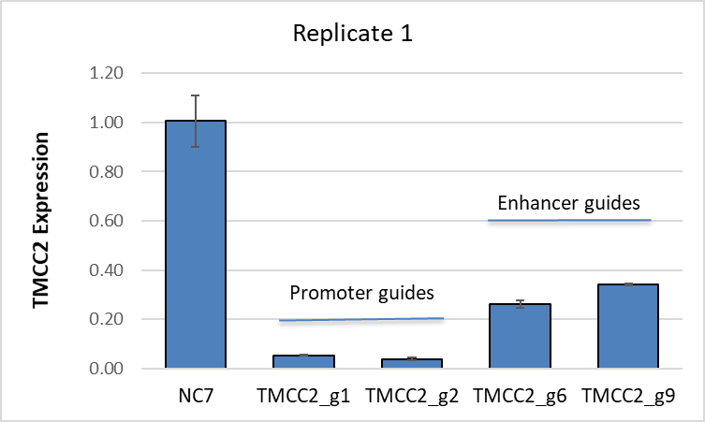
Sample | TMCC2 | ACTB | ΔCt | Average | ΔΔCt | Fold Change | Average | SD
NC7-rep1 | 21.05 | 17.08 | 3.97 | 3.81 | 0.16 | 0.90 | 1.01 | 0.10497353995 | NC7
 | 21.04 | 17.19 | 3.85 |  | 0.04 | 0.97 |  |  | TMCC2_g1
 | 20.86 | 17.25 | 3.61 |  | -0.20 | 1.15 |  |  | TMCC2_g2
TMCC g1-rep1 | 25.12 | 17.10 | 8.03 |  | 4.22 | 0.05 | 0.05 | 0.0020084933737 | TMCC2_g6
 | 25.18 | 17.09 | 8.09 |  | 4.28 | 0.05 |  |  | TMCC2_g9
 | 24.98 | 17.02 | 7.95 |  | 4.15 | 0.06
TMCC g2-rep1 | 25.89 | 17.22 | 8.67 |  | 4.86 | 0.03 | 0.04 | 0.0056814538587
 | 25.54 | 17.26 | 8.27 |  | 4.47 | 0.05
 | 25.98 | 17.22 | 8.76 |  | 4.96 | 0.03
TMCC g6-rep1 | 22.88 | 17.21 | 5.68 |  | 1.87 | 0.27 | 0.26 | 0.015829417722
 | 23.02 | 17.16 | 5.86 |  | 2.06 | 0.24
 | 22.81 | 17.13 | 5.68 |  | 1.87 | 0.27
TMCC g9-rep1 | 22.68 | 17.33 | 5.35 |  | 1.54 | 0.34 | 0.34 | 0.0025228055542
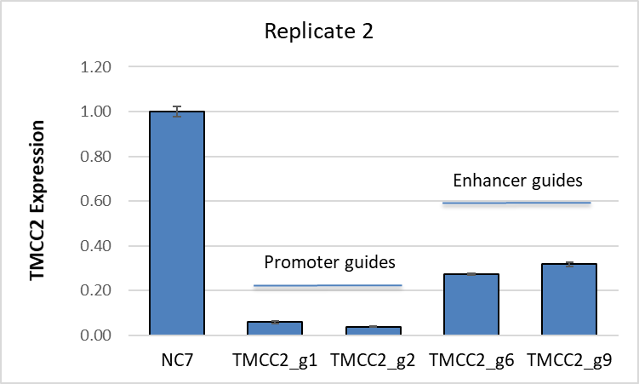
 | 22.78 | 17.41 | 5.37 |  | 1.56 | 0.34
 | 22.71 | 17.36 | 5.35 |  | 1.54 | 0.34

Replicate #2

Replicate 2
NC7 | 1.00
TMCC2_g1 | 0.06
TMCC2_g2 | 0.04
TMCC2_g6 | 0.27
TMCC2_g9 | 0.32
Promoter guides
Enhancer guides
Sample | TMCC2 | ACTB | ΔCt | Average | ΔΔCt | Fold Change | Average | SD
NC7-rep2 | 21.02 | 17.06 | 3.96 | 3.92 | 0.04 | 0.97 | 1.00 | 0.021344158064
 | 21.07 | 17.17 | 3.90 |  | -0.02 | 1.01
 | 21.00 | 17.11 | 3.89 |  | -0.03 | 1.02
TMCC g1-rep2 | 25.15 | 16.99 | 8.17 |  | 4.25 | 0.05 | 0.06 | 0.005308315085
 | 25.04 | 17.18 | 7.86 |  | 3.94 | 0.07
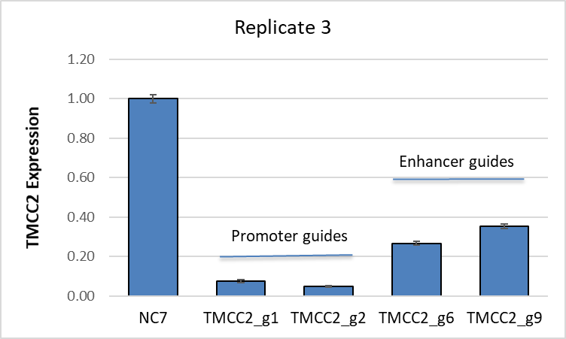
 | 24.92 | 16.98 | 7.94 |  | 4.02 | 0.06
TMCC g2-rep2 | 25.87 | 17.23 | 8.64 |  | 4.72 | 0.04 | 0.04 | 0.0019458791015
 | 25.97 | 17.24 | 8.73 |  | 4.81 | 0.04
 | 25.91 | 17.36 | 8.55 |  | 4.63 | 0.04
TMCC g6-rep2 | 22.93 | 17.17 | 5.76 |  | 1.85 | 0.28 | 0.27 | 0.0038626019925
 | 22.99 | 17.18 | 5.81 |  | 1.89 | 0.27
 | 23.01 | 17.21 | 5.80 |  | 1.88 | 0.27
TMCC g9-rep2 | 22.71 | 17.10 | 5.61 |  | 1.69 | 0.31 | 0.32 | 0.0093386426234
 | 22.70 | 17.11 | 5.59 |  | 1.67 | 0.31
 | 22.59 | 17.08 | 5.51 |  | 1.60 | 0.33

Replicate #3

Replicate 3
NC7 | 1.00
TMCC2_g1 | 0.07
TMCC2_g2 | 0.05
TMCC2_g6 | 0.27
TMCC2_g9 | 0.35
Promoter guides
Enhancer guides
Sample | TMCC2 | ACTB | ΔCt | Average | ΔΔCt | Fold Change | Average | SD
NC7-rep3 | 20.93 | 17.16 | 3.77 | 3.73 | 0.04 | 0.97 | 1.00 | 0.020947212765
 | 20.88 | 17.17 | 3.71 |  | -0.02 | 1.01
 | 20.83 | 17.14 | 3.70 |  | -0.03 | 1.02
TMCC g1-rep3 | 24.63 | 16.98 | 7.65 |  | 3.92 | 0.07 | 0.07 | 0.0063554156994
 | 24.68 | 17.31 | 7.37 |  | 3.65 | 0.08
 | 24.45 | 17.05 | 7.39 |  | 3.67 | 0.08
TMCC g2-rep3 | 25.18 | 17.21 | 7.97 |  | 4.24 | 0.05 | 0.05 | 0.0029586338567
 | 25.33 | 17.15 | 8.18 |  | 4.45 | 0.05
 | 25.25 | 17.15 | 8.10 |  | 4.38 | 0.05
TMCC g6-rep3 | 22.81 | 17.10 | 5.71 |  | 1.98 | 0.25 | 0.27 | 0.0096053959297
 | 22.76 | 17.16 | 5.60 |  | 1.87 | 0.27
 | 22.72 | 17.13 | 5.59 |  | 1.87 | 0.27
TMCC g9-rep3 | 22.30 | 17.14 | 5.16 |  | 1.43 | 0.37 | 0.35 | 0.013018344534
 | 22.27 | 16.98 | 5.29 |  | 1.56 | 0.34
 | 22.33 | 17.09 | 5.24 |  | 1.51 | 0.35

